PDCA Main Page
 | Completeness (Critical) | Timeliness (Critical) | Completeness (All) | Timeliness (All) | ETA accuracy 2P | SC Reference Completeness (CIV or DN) | ETA Accuracy 2D | Target
Nov '25 | 82% | 10% |  |  |  |  |  | 95%
Dec '25 | 84% | 22% |  |  |  |  |  | 95%
Jan '26 | 86% | 49% | 73% | 46% |  | 80% |  | 95%
Feb '26 F |  |  |  |  |  |  |  | 95%
Mar '26 F |  |  |  |  |  |  |  | 95%
Apr '26 F |  |  |  |  |  |  |  | 95%
May '26 F |  |  |  |  |  |  |  | 95%
Jun '26 F |  |  |  |  |  |  |  | 95%
Jul '26 F |  |  |  |  |  |  |  | 95%
Aug '26 F |  |  |  |  |  |  |  | 95%
Sep '26 F |  |  |  |  |  |  |  | 95%
Oct '26 F |  |  |  |  |  |  |  | 95%
YTD
PDCA Chart 05.02.2026
Problem
 | Missing milestones & timeliness
Scope
SF
Lane
 |  |  |  | Nov '25 | Dec '25 | Jan '26 | Feb '26 F | Mar '26 F | Apr '26 F | May '26 F | Jun '26 F | Jul '26 F | Aug '26 F | Sep '26 F | Oct '26 F | YTD
Responsible |  |  | Completeness (Critical) | 82% | 84% | 86%
 |  |  | Timeliness (Critical) | 10% | 22% | 49%
 | Maersk MOF execution |  | Completeness (All) | N/A | N/A | 73%
 |  |  | Timeliness (All) | N/A | N/A | 46%
 |  |  | ETA accuracy 2P
 |  |  | ETA Accuracy 2D
 |  |  | SC Reference Completeness (CIV or DN) | N/A | N/A | 80%
 |  |  | Target | 95% | 95% | 95% | 95% | 95% | 95% | 95% | 95% | 95% | 95% | 95% | 95%
 |  |  | Timeliness Target (Apr) |  |  |  |  |  | 70% | 95% | 95% | 95% | 95% | 95% | 95%
Nr | Main Problems | Product Impact | Category | W01 | W02 | W03 | W04 | W05 | W06 | W07 | W08 | W09 | W10 | W11 | W12 | YTD
1 | SC4 – S00 - Shipment created (Actual) | high | Completeness (Critical) | 52% | 36% | 35% | 50% | 55% | 61% | 0%
2 | SC4 – S00 - Shipment created (Actual) | high | Timeliness (Critical) | 52% | 36% | 35% | 49% | 55% | 60% | 0%
3 | SC4 – S02 - Collected (Estimated) | high | Completeness (Critical) | 79% | 83% | 85% | 87% | 85% | 90% | 0%
4 | SC4 – S02 - Collected (Estimated) | high | Timeliness (Critical) | 41% | 36% | 34% | 43% | 53% | 59% | 0%
5 | SC4 – S02 - Collected (Actual) | high | Completeness (Critical) | 92% | 95% | 88% | 90% | 89% | 90% | 0%
6 | SC4 – S02 - Collected (Actual) | high | Timeliness (Critical) | 17% | 39% | 34% | 40% | 33% | 37% | 0%
7 | SC4 – S46 - Documents rcvd from shipper (Actual) | medium | Completeness (All) | 61% | 37% | 41% | 61% | 68% | 73% | 0%
8 | SC4 – S46 - Documents rcvd from shipper (Actual) | medium | Timeliness (All) | 27% | 18% | 15% | 31% | 31% | 41% | 0%
9 | SC4 – S10 - On hand at origin SVC (Actual) | medium | Completeness (All) | 96% | 91% | 83% | 88% | 81% | 90% | 0%
10 | SC4 – S10 - On hand at origin SVC (Actual) | medium | Timeliness (All) | 64% | 53% | 51% | 49% | 47% | 53% | 0%
11 | SC4 – S11 - On hand at origin Hub/CC (Actual) | medium | Completeness (All) | 68% | 44% | 46% | 68% | 71% | 82% | 0%
12 | SC4 – S11 - On hand at origin Hub/CC (Actual) | medium | Timeliness (All) | 47% | 27% | 30% | 36% | 40% | 45% | 0%
13 | SC4 – S16 - Shipment booked with carrier (Actual) | medium | Completeness (All) | 71% | 61% | 61% | 75% | 77% | 79% | 0%
14 | SC4 – S16 - Shipment booked with carrier (Actual) | medium | Timeliness (All) | 51% | 47% | 48% | 61% | 61% | 67% | 0%
15 | SC4 – S17 - Tendered carrier (Actual) | medium | Completeness (All) | 70% | 42% | 42% | 57% | 59% | 62% | 0%
16 | SC4 – S17 - Tendered carrier (Actual) | medium | Timeliness (All) | 29% | 27% | 17% | 30% | 33% | 36% | 0%
17 | SC4 – S50 - Received origin CFS (Actual) | medium | Completeness (All) | 90% | 92% | 77% | 71% | 79% | 67% | 0%
18 | SC4 – S50 - Received origin CFS (Actual) | medium | Timeliness (All) | 40% | 64% | 42% | 33% | 44% | 44% | 0%
19 | SC4 – S04 - Vessel/flight departed (Estimated) | high | Completeness (Critical) | 99% | 99% | 96% | 97% | 96% | 97% | 0%
20 | SC4 – S04 - Vessel/flight departed (Estimated) | high | Timeliness (Critical) | 38% | 43% | 37% | 43% | 49% | 53% | 0%
21 | SC4 – S04 - Vessel/flight departed (Actual) | high | Completeness (Critical) | 96% | 93% | 83% | 88% | 89% | 88% | 0%
22 | SC4 – S04 - Vessel/flight departed (Actual) | high | Timeliness (Critical) | 83% | 55% | 52% | 54% | 49% | 58% | 0%
23 | SC4 – S07 - Vessel/flight arrived (Estimated) | high | Completeness (Critical) | 100% | 96% | 93% | 94% | 93% | 96% | 0%
24 | SC4 – S07 - Vessel/flight arrived (Estimated) | high | Timeliness (Critical) | 26% | 21% | 18% | 22% | 21% | 13% | 0%
25 | SC4 – S07 - Vessel/flight arrived (Actual) | high | Completeness (Critical) | 83% | 83% | 81% | 84% | 82% | 88% | 0%
26 | SC4 – S07 - Vessel/flight arrived (Actual) | high | Timeliness (Critical) | 33% | 66% | 61% | 52% | 44% | 46% | 0%
27 | SC4 – S51 - Arrived destination CFS (Actual) | medium | Completeness (All) | 65% | 38% | 29% | 41% | 35% | 40% | 0%
28 | SC4 – S51 - Arrived destination CFS (Actual) | medium | Timeliness (All) | 60% | 31% | 6% | 26% | 14% | 28% | 0%
29 | SC4 – S18 - Recovered from carrier (Actual) | medium | Completeness (All) | 23% | 13% | 31% | 61% | 64% | 82% | 0%
30 | SC4 – S18 - Recovered from carrier (Actual) | medium | Timeliness (All) | 4% | 6% | 18% | 38% | 31% | 38% | 0%
31 | SC4 – S12 - On hand at destination Hub/CC (Actual) | medium | Completeness (All) | 28% | 34% | 49% | 73% | 70% | 87% | 0%
32 | SC4 – S12 - On hand at destination Hub/CC (Actual) | medium | Timeliness (All) | 6% | 15% | 25% | 41% | 31% | 37% | 0%
33 | SC4 – S13 - On hand at destination SVC (Actual) | medium | Completeness (All) | 28% | 14% | 34% | 66% | 70% | 87% | 0%
34 | SC4 – S13 - On hand at destination SVC (Actual) | medium | Timeliness (All) | 4% | 8% | 22% | 50% | 45% | 61% | 0%
35 | SC4 – S45 - Handover to broker (Actual) | high | Completeness (Critical) | 100% | 100% | 56% | 42% | 48% | 21% | 0%
36 | SC4 – S45 - Handover to broker (Actual) | high | Timeliness (Critical) | 100% | 92% | 54% | 37% | 48% | 21% | 0%
37 | SC4 – S05 - In delivery (Actual) | medium | Completeness (All) | 20% | 8% | 11% | 13% | 17% | 12% | 0%
38 | SC4 – S05 - In delivery (Actual) | medium | Timeliness (All) | 18% | 7% | 4% | 2% | 9% | 5% | 0%
39 | SC4 – S31 - Delivered (Estimated) | high | Completeness (Critical) | 96% | 99% | 97% | 98% | 96% | 94% | 0%
40 | SC4 – S31 - Delivered (Estimated) | high | Timeliness (Critical) | 80% | 82% | 70% | 67% | 69% | 67% | 0%
41 | SC4 – S31 - Delivered (Actual) | high | Completeness (Critical) | 100% | 100% | 76% | 83% | 84% | 66% | 0%
42 | SC4 – S31 - Delivered (Actual) | high | Timeliness (Critical) | 4% | 12% | 29% | 9% | 11% | 16% | 0%
43 | SC3 – S60 - Pre-Booking confirmed (Actual) | medium | Completeness (All) | 93% | 92% | 92% | 96% | 92% | 92% | 0%
44 | SC3 – S60 - Pre-Booking confirmed (Actual) | medium | Timeliness (All) | 93% | 92% | 92% | 94% | 92% | 92% | 0%
45 | SC3 – S52 - Empty Container picked up (Actual) | medium | Completeness (All) | 27% | 30% | 30% | 19% | 29% | 30% | 0%
46 | SC3 – S52 - Empty Container picked up (Actual) | medium | Timeliness (All) | 19% | 22% | 26% | 12% | 24% | 13% | 0%
47 | SC3 – S02 - Collected (Actual) | high | Completeness (Critical) | 81% | 79% | 73% | 79% | 76% | 79% | 0%
48 | SC3 – S02 - Collected (Actual) | high | Timeliness (Critical) | 32% | 39% | 32% | 32% | 34% | 39% | 0%
49 | SC3 – S02 - Collected (Estimated) | high | Completeness (Critical) | 81% | 81% | 78% | 84% | 83% | 85% | 0%
50 | SC3 – S02 - Collected (Estimated) | high | Timeliness (Critical) | 0% | 0% | 0% | 0% | 0% | 0% | 0%
51 | SC3 – S10 - On hand at origin SVC (Actual) | medium | Completeness (All) | 95% | 93% | 90% | 89% | 93% | 90% | 0%
52 | SC3 – S10 - On hand at origin SVC (Actual) | medium | Timeliness (All) | 65% | 55% | 58% | 49% | 59% | 48% | 0%
53 | SC3 – S50 - Received origin CFS (Actual) | medium | Completeness (All) | 79% | 78% | 78% | 69% | 80% | 64% | 0%
54 | SC3 – S50 - Received origin CFS (Actual) | medium | Timeliness (All) | 70% | 71% | 67% | 65% | 71% | 49% | 0%
55 | SC3 – S53 - Full Container loaded on vessel (Actual) | medium | Completeness (All) | 41% | 42% | 51% | 42% | 69% | 59% | 0%
56 | SC3 – S53 - Full Container loaded on vessel (Actual) | medium | Timeliness (All) | 38% | 39% | 49% | 35% | 63% | 55% | 0%
57 | SC3 – S04 - Vessel/flight departed (Actual) | high | Completeness (Critical) | 87% | 86% | 84% | 80% | 91% | 85% | 0%
58 | SC3 – S04 - Vessel/flight departed (Actual) | high | Timeliness (Critical) | 86% | 86% | 82% | 78% | 89% | 83% | 0%
59 | SC3 – S04 - Vessel/flight departed (Estimated) | high | Completeness (Critical) | 87% | 90% | 86% | 85% | 91% | 84% | 0%
60 | SC3 – S04 - Vessel/flight departed (Estimated) | high | Timeliness (Critical) | 69% | 72% | 71% | 68% | 81% | 71% | 0%
61 | SC3 – S07 - Vessel/flight arrived (Actual) | high | Completeness (Critical) | 91% | 90% | 86% | 86% | 93% | 87% | 0%
62 | SC3 – S07 - Vessel/flight arrived (Actual) | high | Timeliness (Critical) | 89% | 89% | 85% | 85% | 93% | 86% | 0%
63 | SC3 – S07 - Vessel/flight arrived (Estimated) | high | Completeness (Critical) | 88% | 91% | 88% | 87% | 94% | 89% | 0%
64 | SC3 – S07 - Vessel/flight arrived (Estimated) | high | Timeliness (Critical) | 83% | 86% | 83% | 83% | 89% | 83% | 0%
65 | SC3 – S54 - Full Container discharge (Actual) | medium | Completeness (All) | 14% | 14% | 4% | 5% | 7% | 3% | 0%
66 | SC3 – S54 - Full Container discharge (Actual) | medium | Timeliness (All) | 7% | 14% | 0% | 5% | 6% | 3% | 0%
67 | SC3 – S51 - Arrived destination CFS (Actual) | medium | Completeness (All) | 41% | 43% | 31% | 40% | 43% | 31% | 0%
68 | SC3 – S51 - Arrived destination CFS (Actual) | medium | Timeliness (All) | 8% | 7% | 6% | 28% | 37% | 28% | 0%
69 | SC3 – S13 - On hand at destination SVC (Actual) | medium | Completeness (All) | 8% | 18% | 41% | 60% | 80% | 84% | 0%
70 | SC3 – S13 - On hand at destination SVC (Actual) | medium | Timeliness (All) | 6% | 17% | 37% | 55% | 72% | 79% | 0%
71 | SC3 – S45 - Handover to broker (Actual) | high | Completeness (Critical) | 37% | 28% | 41% | 47% | 44% | 46% | 0%
72 | SC3 – S45 - Handover to broker (Actual) | high | Timeliness (Critical) | 37% | 28% | 40% | 45% | 42% | 43% | 0%
73 | SC3 – S45 - Handover to broker (Estimated) | high | Completeness (Critical) | 9% | 25% | 38% | 51% | 62% | 65% | 0%
74 | SC3 – S45 - Handover to broker (Estimated) | high | Timeliness (Critical) | 9% | 25% | 38% | 46% | 59% | 58% | 0%
...

ETA accuracy Port
...
≥7d Accuracy (of matched): 19/65 = 29.2% |  | Any-lead Accuracy (of matched): 1091/1175 = 92.9%
≥7d Accuracy (overall): 19/1235 = 1.5% |  | Any-lead Accuracy (overall): 1091/1235 = 88.3%
Median deviation: 50.2h | Mean: 75.8h

Category | Count | Category | Count
Within ±48h | 19 | Within ±48h | 1091
Late | 39 | Late | 77
Early | 7 | Early | 7
ETA <7d (no qualifying) | 1165 | Missing ETA | 5
No ETA | 5
View 1: ≥7 Day Lead Time
View 2: Any Lead Time

POD estimate Accuracy
...
≥7d Accuracy (of matched): 840/2520 = 33.3% |  | Any-lead Accuracy (matched): 1520/2570 = 59.1%
≥7d Accuracy (overall): 840/2642 = 31.8% |  | Any-lead Accuracy (overall): 1520/2642 = 57.5%
Median deviation: 209.3h | Mean: 848.8h |  | Retroactive POD_ (published after POD): 701 HBs excluded

Category | Count | Category | Count
Within ±48h | 840 | Within ±48h | 1520
Late | 1617 | Late | 1003
Early | 63 | Early | 47
POD_ <7d | 120 | Missing POD_ | 2
No POD_ | 2
View 1: ≥7 Day Lead Time
View 2: Any Lead Time

Evidence - Sync & Plausibility
SYNC, DTL & PLAUSIBILITY — Deep Analysis (16-Feb)

THREE-SOURCE SYNC: ROOT CAUSE (from 16-Feb meeting)
CargoWise → Track & Trace Excel: SAME data, full operational extract
CargoWise → Maersk.com: Generic/public subset (standard offering only)
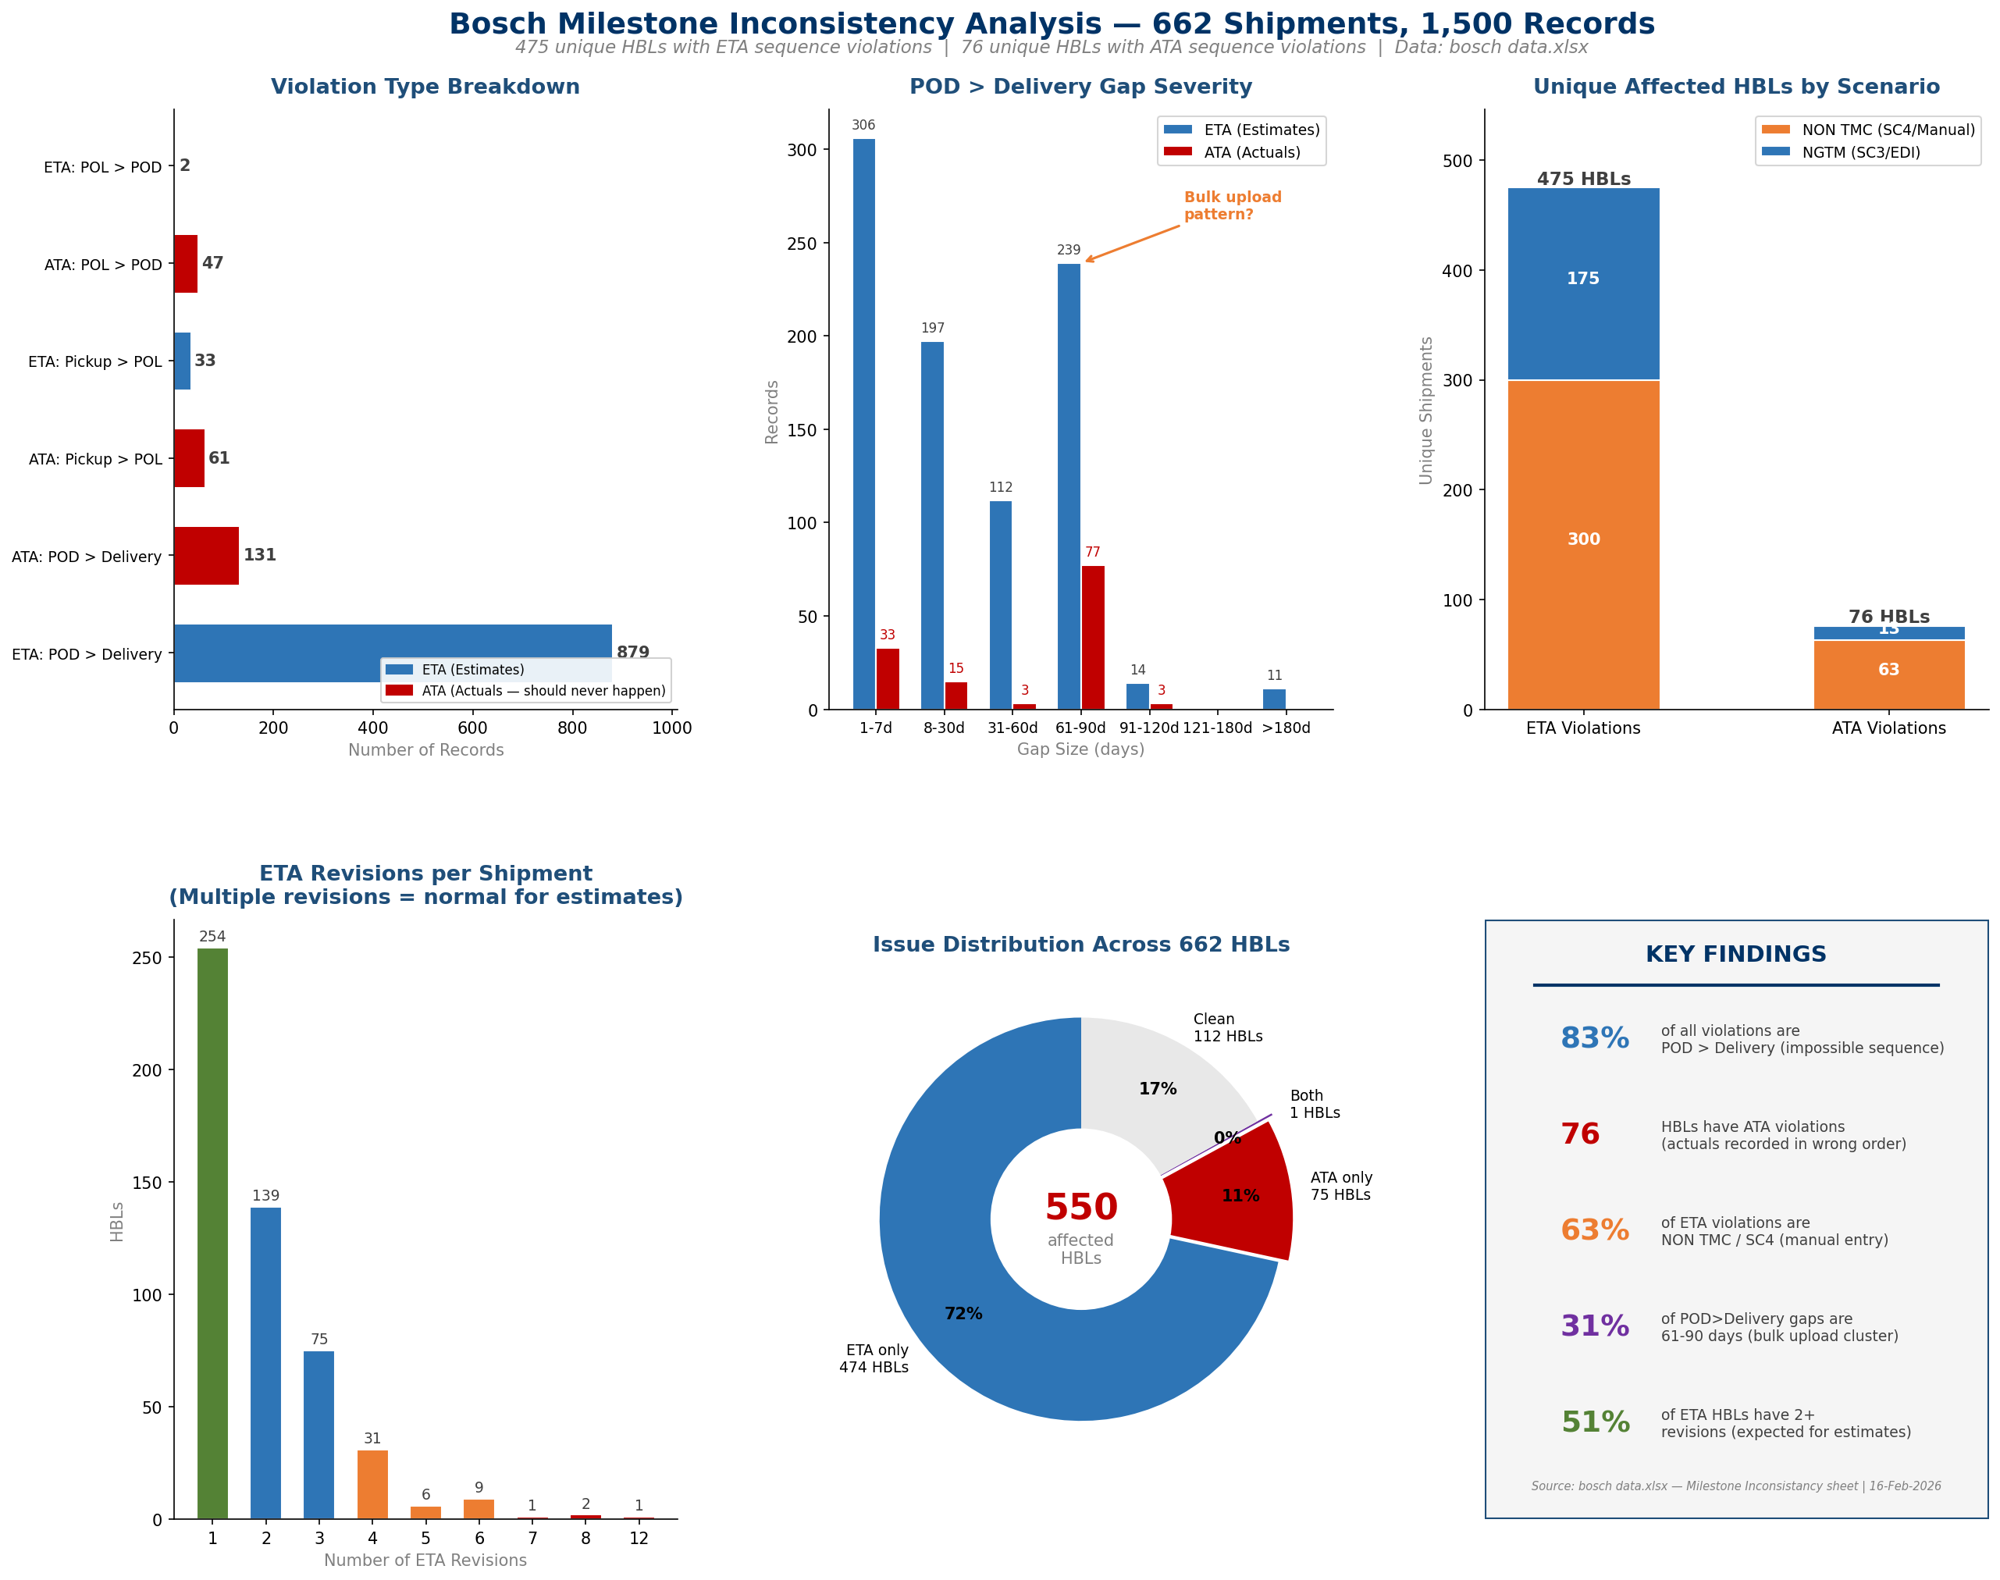
CargoWise → Seeburger DTL → EDI to Bosch: Quality checks FILTER messages

ROOT CAUSE: When DTL checks fail → message blocked → Bosch sees 'missing milestone'
Error log exists internally but no structured feedback loop to operations
PDCA REQUIRED: Document DTL checks, establish ops feedback loop, log monitoring

SC3/SC4 DOUBLE BOOKING (NEW from meeting)
~1/3 of shipments labeled SC4 were actually received as SC3
Cause: Incomplete SC3 → operator follows up via email → converts to SC4
Bosch suppliers also send emails when SC3 exists → creates duplicates
Fix (Maersk): Eurolog S09 + reason O01 to close duplicates (Karina)
Fix (Bosch): Instruct suppliers to stop emails when SC3 exists

MILESTONE INCONSISTENCY — DEEP ANALYSIS (662 Shipments, 1,500 Records)
Metric | Value | Significance
Total records in dataset | 1,500 | Across ETA (1,000) and ATA (500) violations
Unique affected HBLs | 550 of 662 (83%) | Vast majority of flagged shipments have real issues
ETA sequence violations | 475 unique HBLs | Estimates with impossible date order
ATA sequence violations | 76 unique HBLs | ACTUALS recorded in wrong order — data quality failure
Dominant issue | POD > Delivery (83%) | Port arrival dated after door delivery — physically impossible
NON TMC / SC4 share | 63% of ETA violations | Manual entry is the primary root cause (300 HBLs)
61-90 day gap cluster | 31% of POD>Delivery | Suggests bulk upload / template error pattern
ATA median gap | 73 days | Actuals MORE wrong than estimates — operators entering out-of-sequence
ETA median gap | 15 days | Estimates are wrong but less severely than actuals

DUPLICATION CLARIFICATION:
Multiple ETA rows per HBL = VALID (estimates get revised; 51% of HBLs have 2+ revisions)
ATA rows: duplicated with IDENTICAL dates (multiple containers/TOs per shipment)
No conflicting actual dates found — ATA duplication is structural, not a data quality issue
The 76 ATA violations are genuine sequence errors, not duplication artifacts

POD > DELIVERY GAP SEVERITY (1,010 records — 83% of all violations)
Bucket | ETA Records | ATA Records | % of Total | Likely Cause
1-7 days | 309 | 52 | 35.7% | Timezone / rounding — low severity but still invalid
8-30 days | 171 | 28 | 19.7% | Operator error — medium severity
31-60 days | 99 | 13 | 11.1% | Wrong milestone updated — high severity
61-90 days | 278 | 32 | 30.7% | Bulk upload / template error — SYSTEMIC pattern
>90 days | 22 | 6 | 2.8% | Data corruption — critical (up to 367 days)
...

